Recordbreaker
UTAT Preliminary Engine Design Spreadsheet |  |  |  |  |  |  |  | Hybrid rocket propulsion system conceptual overview
 |  |  |  |  |  |  |  | 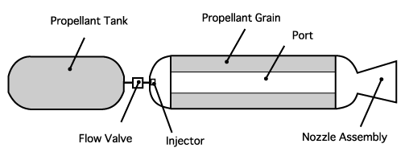
The following spreadsheet is a practical tool for the design of hybrid rocket burning nitrous oxide and parafin wax. The principal advantage of the spreadsheet is the insight it provides the user with regards to the effect of varying certain inputs and how they affect the overall geometry of the fuel grain and propellant requirements. Fuel core geometry is exported to a MATLAB simulation. Note that you must have the CoolProp Excel Addin Installed

Authors: Thomas Leung, Mitchell Passareli, Andreas Marquis, Jacob Weber
Last Revision: October 26, 2019
Notes:
 |  | Design variables
 |  | Key Outputs
 |  | Colored cells affect each other

DESIGN INPUTS |  |  |  |  |  |  |  |  | DESIGN OUTPUTS

Rocket Flight |  |  |  |  |  |  |  |  | Engine Efficiency |  |  |  | Note: This spreadsheet requires the user to be familiar with the goal seek function to set all colored boxes to the correct values by varying higher level parameters. An example is goal seeking the final diameter to 3.5 in by varying the initial ox flux. The goal seek tool can be found under the Data tab located above, in the Forecast section under What-If Analysis. Or you can now just press the button below and it runs in a macro!
 |  | ft |  |  | Engine Parameters |  |  |  | Isp Init | 187.87 | at 2/3 Burnout Altitude
h (m) | 19812 | 65000 | Target Apogee |  |  |  | (psi) |  | Isp Avg | 191.00 | at 2/3 Burnout Altitude
ΔvD (m/s) | 406 | Estimated Drag Losses |  |  | Pcc (kPa) | 3103 | 450 | Design Combustion Chamber Pressure
hburnout (m) | 2767 | Burnout Altitude |  |  | ΔPinj (kPa) | 2413.16 | 350 | Use 0.2 Pcc for design estimate | Propellant & Flow Rates: |  |  |  | Fuel Core Geometry
Δv (m/s) | 984.78 | Estimated Δv Requirement |  |  | ΔPfeed (kPa) | 0 | 0 | Negligible because of design.
 |  |  |  |  | ΔPdyn (kPa) | 0.001525 | 0 | I think we can neglect this one too. | mf (kg) | 39.92 | Dry Mass (final) |  |  | Use Goal Seek on Gox to find the G for a desired initial port diameter, length, etc.
Launch Site |  |  |  |  | Pox (kPa) | 5515.8058 | 800 | Nitrous Oxide Tank Pressure (Temp. Dependant) | mi (kg) | 67.52 | Wet Mass (initial) |  | Initial Ox Flux (kg/m2·s) | 623.00 | This can be between 350-700, see blow-off marker in text. It is also entirely a design decision.
 |  |  |  |  | F (N) | 6500 |  | Design Thrust | mprop (kg) | 27.599 | Mass of Propellant |  | # Ports | 1
hlaunch (m) | 541 | CFB Cold Lake |  |  |  |  |  |  | mfuel (kg) | 5.018 | Mass of Fuel |  | Initial Port Area (m2) | 0.004556 | 45.56 | (cm2)
Pa,i (kPa) | 94.99 | Ambient Pressure at Launch Altitude |  |  | Fuel Properties |  |  |  | mox (kg) | 22.581 | Mass of Oxidizer |  | Initial Port Diameter (m) | 0.07616 | 7.62 | (cm) | 2.9985 | (in.)
Pa,i (kPa) | 81.03 | Ambient Pressure at 2/3 Burnout Altitude |  |  |  |  |  |  | finert | 0.591 | Inert Mass |  | Port Length (m) | 0.7172 | 71.72 | (cm) | 28.2373 | (in.) | Using m = 0 for the length exponent.
 |  |  |  |  | rho (kg/m3) | 950 | Density of Parafin Wax |  | ṁprop (kg/s) | 3.469 | Propellant Mass Flow |  | Final Diameter (m) | 0.1232 | 12.32 | (cm) | 4.850 | (in.) | This should be 4.85 in. for 5 mm liner thickness
Thermo-Chemstry |  |  |  |  | a0 | 0.000155 | Regression Rate Coefficient |  | ṁfuel (kg/s) | 0.631 | Fuel Mass Flow |  | Web Thickness, w (m) | 0.0235 | 2.35 | (cm) | 0.93 | (in.)
Goal Seek Outer Diam.
 |  |  |  |  | n | 0.5 | Flux Exponent |  | ṁox (kg/s) | 2.838 | Oxidizer Mass Flow |  | Characteristic Post Combustor Length, L* | 0
OF | 4.50 | Design Oxidizer to Fuel Ratio
γ | 1.2343 | Ratio of Specific Heats |  |  | Oxidizer Properties |  |  |  | Nozzle Geometry |  |  |  |  | Injector Geometry
MW (g/mol) | 23.103 | Molar Mass of Combustion Gas |  |  | rho (kg/m3) | 760 | Density of Nitrous at Pox and Ta |  |  | Ideal | Emerson's design |  |  | Get from injector bois
Tcc = Tf (K) | 2825.98 | Combustion Flame Temperature |  |  |  | #NAME? |  |  | At (m2) | 0.001549 | 0.001065 | Throat Area |  | Injector area (m2) | 0.0001060
ηc* | 0.9 | Combustion Efficiency |  |  | Rocket Geometry |  |  |  | Ae (m2) | 0.0085 | 0.0054 | Exit Area | See Humble Ch. 5 for bell nozzle design. | Discharge coef | 0.42 | this is jank for nitrous
λ | 0.9 | Nozzle Efficiency |  |  | This was from before when we didn't have a size or length for the rocket |  |  |  | Me | 2.9181
R (J/kg*K) | 359.9 | Gas Constant |  |  | L (m) | 5.5 | Length of the Rocket |  | ε | 5.474 | 5.101 | Expansion Area Ratio
c* (m/s) | 1385 | Characteristic Velocity |  |  | NPS Pipe | 5 |  |  | dt (m) | 0.0444 | 0.0368 | Throat Diameter | Equation for c* assumes choked flow.
finert (DAQ) | 0.633 | Wot?Not used anywhere |  |  | D (mm) | 139.7 |  |  | de (m) | 0.1039 | 0.0832 | Exit Diameter | Eq. for ε changes exit A to force choked flow.

Visualizing the effect of Exit Pressure on Design
Effect of Nozzle Geometry on Performance
7.34 | 3.14 | 189.85
7.31 | 3.14 | 189.87
7.29 | 3.14 | 189.90
7.26 | 3.14 | 189.93
7.24 | 3.13 | 189.95
7.22 | 3.13 | 189.98
7.19 | 3.13 | 190.00
7.17 | 3.13 | 190.03
7.15 | 3.12 | 190.05
7.12 | 3.12 | 190.07
7.10 | 3.12 | 190.10
7.08 | 3.12 | 190.12
7.05 | 3.11 | 190.14
7.03 | 3.11 | 190.16
7.01 | 3.11 | 190.19
6.99 | 3.11 | 190.21
6.97 | 3.10 | 190.23
6.94 | 3.10 | 190.25
6.92 | 3.10 | 190.27
6.90 | 3.10 | 190.29
6.88 | 3.09 | 190.31
6.86 | 3.09 | 190.33
6.84 | 3.09 | 190.34
6.82 | 3.09 | 190.36
6.80 | 3.08 | 190.38
6.78 | 3.08 | 190.40
6.76 | 3.08 | 190.41
6.74 | 3.08 | 190.43
6.72 | 3.08 | 190.45
6.70 | 3.07 | 190.46
6.68 | 3.07 | 190.48
6.66 | 3.07 | 190.50
6.64 | 3.07 | 190.51
6.62 | 3.06 | 190.53
6.60 | 3.06 | 190.54
6.58 | 3.06 | 190.55
6.56 | 3.06 | 190.57
6.54 | 3.06 | 190.58
6.52 | 3.05 | 190.60
6.50 | 3.05 | 190.61
6.49 | 3.05 | 190.62
6.47 | 3.05 | 190.64
6.45 | 3.04 | 190.65
6.43 | 3.04 | 190.66
6.41 | 3.04 | 190.67
6.40 | 3.04 | 190.68
6.38 | 3.04 | 190.69
6.36 | 3.03 | 190.71
6.34 | 3.03 | 190.72
6.33 | 3.03 | 190.73
...
 |  |  | Average | Initial
Pe (kPa) | Me | ε | Isp (s) | Isp (s)
54 | 3.14 | 7.34 | 189.85 | 185.65
54.25 | 3.14 | 7.31 | 189.87 | 185.69
54.5 | 3.14 | 7.29 | 189.90 | 185.73
54.75 | 3.14 | 7.26 | 189.93 | 185.77
55 | 3.13 | 7.24 | 189.95 | 185.81
55.25 | 3.13 | 7.22 | 189.98 | 185.85
55.5 | 3.13 | 7.19 | 190.00 | 185.89
55.75 | 3.13 | 7.17 | 190.03 | 185.93
56 | 3.12 | 7.15 | 190.05 | 185.96
56.25 | 3.12 | 7.12 | 190.07 | 186.00
56.5 | 3.12 | 7.10 | 190.10 | 186.04
56.75 | 3.12 | 7.08 | 190.12 | 186.07
57 | 3.11 | 7.05 | 190.14 | 186.11
57.25 | 3.11 | 7.03 | 190.16 | 186.14
57.5 | 3.11 | 7.01 | 190.19 | 186.18
57.75 | 3.11 | 6.99 | 190.21 | 186.21 |  | Sources:
58 | 3.10 | 6.97 | 190.23 | 186.24 |  | Ronald W. Humble, Gary N. Henry, Wiley J. Larson. Space Propulsion Analysis and Design. New York :McGraw-Hill, 2007. Print.
58.25 | 3.10 | 6.94 | 190.25 | 186.28 |  | Karabeyoglu, M., “Development of high burning rate hybrid rocket fuel flight demonstrators,” 39th AIAA/ASME/SAE/ASEE Joint propulsion conference, Huntsville, AL, 2003.
58.5 | 3.10 | 6.92 | 190.27 | 186.31
58.75 | 3.10 | 6.90 | 190.29 | 186.34
59 | 3.09 | 6.88 | 190.31 | 186.37
59.25 | 3.09 | 6.86 | 190.33 | 186.40
59.5 | 3.09 | 6.84 | 190.34 | 186.43
59.75 | 3.09 | 6.82 | 190.36 | 186.46
60 | 3.08 | 6.80 | 190.38 | 186.49
60.25 | 3.08 | 6.78 | 190.40 | 186.52
60.5 | 3.08 | 6.76 | 190.41 | 186.55
60.75 | 3.08 | 6.74 | 190.43 | 186.58
61 | 3.08 | 6.72 | 190.45 | 186.61
61.25 | 3.07 | 6.70 | 190.46 | 186.64
61.5 | 3.07 | 6.68 | 190.48 | 186.66
61.75 | 3.07 | 6.66 | 190.50 | 186.69
62 | 3.07 | 6.64 | 190.51 | 186.72
62.25 | 3.06 | 6.62 | 190.53 | 186.74
62.5 | 3.06 | 6.60 | 190.54 | 186.77
62.75 | 3.06 | 6.58 | 190.55 | 186.79
63 | 3.06 | 6.56 | 190.57 | 186.82
63.25 | 3.06 | 6.54 | 190.58 | 186.84
63.5 | 3.05 | 6.52 | 190.60 | 186.87
63.75 | 3.05 | 6.50 | 190.61 | 186.89
64 | 3.05 | 6.49 | 190.62 | 186.91
64.25 | 3.05 | 6.47 | 190.64 | 186.94
64.5 | 3.04 | 6.45 | 190.65 | 186.96
64.75 | 3.04 | 6.43 | 190.66 | 186.98
65 | 3.04 | 6.41 | 190.67 | 187.00
65.25 | 3.04 | 6.40 | 190.68 | 187.03
65.5 | 3.04 | 6.38 | 190.69 | 187.05
65.75 | 3.03 | 6.36 | 190.71 | 187.07
66 | 3.03 | 6.34 | 190.72 | 187.09
66.25 | 3.03 | 6.33 | 190.73 | 187.11
66.5 | 3.03 | 6.31 | 190.74 | 187.13
66.75 | 3.03 | 6.29 | 190.75 | 187.15
67 | 3.02 | 6.28 | 190.76 | 187.17
67.25 | 3.02 | 6.26 | 190.77 | 187.19
67.5 | 3.02 | 6.24 | 190.78 | 187.21
67.75 | 3.02 | 6.23 | 190.78 | 187.23
68 | 3.02 | 6.21 | 190.79 | 187.24
68.25 | 3.01 | 6.19 | 190.80 | 187.26
68.5 | 3.01 | 6.18 | 190.81 | 187.28
68.75 | 3.01 | 6.16 | 190.82 | 187.30
69 | 3.01 | 6.14 | 190.83 | 187.31
69.25 | 3.01 | 6.13 | 190.84 | 187.33
69.5 | 3.00 | 6.11 | 190.84 | 187.35
69.75 | 3.00 | 6.10 | 190.85 | 187.36
70 | 3.00 | 6.08 | 190.86 | 187.38
70.25 | 3.00 | 6.06 | 190.86 | 187.40
70.5 | 3.00 | 6.05 | 190.87 | 187.41
70.75 | 2.99 | 6.03 | 190.88 | 187.43
71 | 2.99 | 6.02 | 190.88 | 187.44
71.25 | 2.99 | 6.00 | 190.89 | 187.46
71.5 | 2.99 | 5.99 | 190.90 | 187.47
71.75 | 2.99 | 5.97 | 190.90 | 187.49
72 | 2.98 | 5.96 | 190.91 | 187.50
72.25 | 2.98 | 5.94 | 190.91 | 187.51
72.5 | 2.98 | 5.93 | 190.92 | 187.53
72.75 | 2.98 | 5.91 | 190.92 | 187.54
73 | 2.98 | 5.90 | 190.93 | 187.55
73.12 | 2.975 | 5.893 | 190.93 | 187.56 | Nozzle Exit Pressure = Pressure at 2/3 Burnout Altitude
73.25 | 2.97 | 5.89 | 190.93 | 187.57
73.5 | 2.97 | 5.87 | 190.94 | 187.58
73.75 | 2.97 | 5.86 | 190.94 | 187.59
74 | 2.97 | 5.84 | 190.95 | 187.61
74.25 | 2.97 | 5.83 | 190.95 | 187.62
74.5 | 2.96 | 5.81 | 190.95 | 187.63
74.75 | 2.96 | 5.80 | 190.96 | 187.64
75 | 2.96 | 5.79 | 190.96 | 187.65
75.25 | 2.96 | 5.77 | 190.96 | 187.66
75.5 | 2.96 | 5.76 | 190.97 | 187.67
75.75 | 2.96 | 5.74 | 190.97 | 187.69
76 | 2.95 | 5.73 | 190.97 | 187.70
76.25 | 2.95 | 5.72 | 190.98 | 187.71
76.5 | 2.95 | 5.70 | 190.98 | 187.72
76.75 | 2.95 | 5.69 | 190.98 | 187.73
77 | 2.95 | 5.68 | 190.98 | 187.74
77.25 | 2.94 | 5.66 | 190.99 | 187.75
77.5 | 2.94 | 5.65 | 190.99 | 187.76
77.75 | 2.94 | 5.64 | 190.99 | 187.76
78 | 2.94 | 5.63 | 190.99 | 187.77
78.25 | 2.94 | 5.61 | 190.99 | 187.78
78.5 | 2.94 | 5.60 | 190.99 | 187.79
78.75 | 2.93 | 5.59 | 190.99 | 187.80
79 | 2.93 | 5.57 | 191.00 | 187.81
79.25 | 2.93 | 5.56 | 191.00 | 187.82
79.5 | 2.93 | 5.55 | 191.00 | 187.82
79.75 | 2.93 | 5.54 | 191.00 | 187.83
80 | 2.93 | 5.52 | 191.00 | 187.84
80.25 | 2.92 | 5.51 | 191.00 | 187.85
80.5 | 2.92 | 5.50 | 191.00 | 187.85
80.75 | 2.92 | 5.49 | 191.00 | 187.86
81 | 2.92 | 5.48 | 191.00 | 187.87
81.25 | 2.92 | 5.46 | 191.00 | 187.88
81.5 | 2.91 | 5.45 | 191.00 | 187.88
81.75 | 2.91 | 5.44 | 191.00 | 187.89
82 | 2.91 | 5.43 | 191.00 | 187.90
82.25 | 2.91 | 5.42 | 191.00 | 187.90
82.5 | 2.91 | 5.40 | 191.00 | 187.91
82.75 | 2.91 | 5.39 | 191.00 | 187.91
83 | 2.90 | 5.38 | 191.00 | 187.92
83.25 | 2.90 | 5.37 | 191.00 | 187.92
83.5 | 2.90 | 5.36 | 190.99 | 187.93
83.75 | 2.90 | 5.35 | 190.99 | 187.94
84 | 2.90 | 5.34 | 190.99 | 187.94
84.25 | 2.90 | 5.32 | 190.99 | 187.95
84.5 | 2.89 | 5.31 | 190.99 | 187.95
84.75 | 2.89 | 5.30 | 190.99 | 187.96
85 | 2.89 | 5.29 | 190.99 | 187.96
85.25 | 2.89 | 5.28 | 190.98 | 187.96
85.5 | 2.89 | 5.27 | 190.98 | 187.97
85.75 | 2.89 | 5.26 | 190.98 | 187.97
86 | 2.89 | 5.25 | 190.98 | 187.98
86.25 | 2.88 | 5.24 | 190.98 | 187.98
86.5 | 2.88 | 5.22 | 190.97 | 187.99
86.75 | 2.88 | 5.21 | 190.97 | 187.99
87 | 2.88 | 5.20 | 190.97 | 187.99
87.25 | 2.88 | 5.19 | 190.96 | 188.00
87.5 | 2.88 | 5.18 | 190.96 | 188.00
87.75 | 2.87 | 5.17 | 190.96 | 188.00
88 | 2.87 | 5.16 | 190.96 | 188.01
88.25 | 2.87 | 5.15 | 190.95 | 188.01
88.5 | 2.87 | 5.14 | 190.95 | 188.01
88.75 | 2.87 | 5.13 | 190.95 | 188.01
89 | 2.87 | 5.12 | 190.94 | 188.02
89.25 | 2.86 | 5.11 | 190.94 | 188.02
89.5 | 2.86 | 5.10 | 190.94 | 188.02
89.75 | 2.86 | 5.09 | 190.93 | 188.02
90 | 2.86 | 5.08 | 190.93 | 188.03
90.25 | 2.86 | 5.07 | 190.93 | 188.03
90.5 | 2.86 | 5.06 | 190.92 | 188.03
90.75 | 2.86 | 5.05 | 190.92 | 188.03
91 | 2.85 | 5.04 | 190.91 | 188.03
91.25 | 2.85 | 5.03 | 190.91 | 188.03
91.5 | 2.85 | 5.02 | 190.91 | 188.04
91.75 | 2.85 | 5.01 | 190.90 | 188.04
92 | 2.85 | 5.00 | 190.90 | 188.04
92.25 | 2.85 | 4.99 | 190.89 | 188.04
92.5 | 2.84 | 4.98 | 190.89 | 188.04
92.75 | 2.84 | 4.97 | 190.88 | 188.04
93 | 2.84 | 4.96 | 190.88 | 188.04
93.25 | 2.84 | 4.95 | 190.87 | 188.04
93.5 | 2.84 | 4.94 | 190.87 | 188.04
93.75 | 2.84 | 4.93 | 190.87 | 188.04
94 | 2.84 | 4.92 | 190.86 | 188.04
94.25 | 2.83 | 4.92 | 190.86 | 188.04
94.5 | 2.83 | 4.91 | 190.85 | 188.04
94.75 | 2.83 | 4.90 | 190.85 | 188.05
95 | 2.83 | 4.89 | 190.84 | 188.05
95.25 | 2.83 | 4.88 | 190.83 | 188.05
95.5 | 2.83 | 4.87 | 190.83 | 188.04
95.75 | 2.83 | 4.86 | 190.82 | 188.04
96 | 2.82 | 4.85 | 190.82 | 188.04
96.25 | 2.82 | 4.84 | 190.81 | 188.04
96.5 | 2.82 | 4.83 | 190.81 | 188.04
96.75 | 2.82 | 4.83 | 190.80 | 188.04
97 | 2.82 | 4.82 | 190.80 | 188.04
97.25 | 2.82 | 4.81 | 190.79 | 188.04
97.5 | 2.82 | 4.80 | 190.78 | 188.04
97.75 | 2.81 | 4.79 | 190.78 | 188.04
98 | 2.81 | 4.78 | 190.77 | 188.04
98.25 | 2.81 | 4.77 | 190.77 | 188.04
98.5 | 2.81 | 4.76 | 190.76 | 188.04
98.75 | 2.81 | 4.76 | 190.75 | 188.04
99 | 2.81 | 4.75 | 190.75 | 188.03
99.25 | 2.81 | 4.74 | 190.74 | 188.03
99.5 | 2.80 | 4.73 | 190.74 | 188.03
99.75 | 2.80 | 4.72 | 190.73 | 188.03
100 | 2.80 | 4.71 | 190.72 | 188.03
100.25 | 2.80 | 4.71 | 190.72 | 188.03
100.5 | 2.80 | 4.70 | 190.71 | 188.02
100.75 | 2.80 | 4.69 | 190.70 | 188.02
101 | 2.80 | 4.68 | 190.70 | 188.02
101.25 | 2.79 | 4.67 | 190.69 | 188.02
101.5 | 2.79 | 4.66 | 190.68 | 188.02
101.75 | 2.79 | 4.66 | 190.68 | 188.01
102 | 2.79 | 4.65 | 190.67 | 188.01
102.25 | 2.79 | 4.64 | 190.66 | 188.01
102.5 | 2.79 | 4.63 | 190.66 | 188.01
102.75 | 2.79 | 4.62 | 190.65 | 188.00
103 | 2.79 | 4.62 | 190.64 | 188.00
103.25 | 2.78 | 4.61 | 190.63 | 188.00
103.5 | 2.78 | 4.60 | 190.63 | 188.00
103.75 | 2.78 | 4.59 | 190.62 | 187.99
104 | 2.78 | 4.59 | 190.61 | 187.99
104.25 | 2.78 | 4.58 | 190.61 | 187.99
104.5 | 2.78 | 4.57 | 190.60 | 187.98
104.75 | 2.78 | 4.56 | 190.59 | 187.98
105 | 2.77 | 4.55 | 190.58 | 187.98

OF Trade for Record Breaker
Optimizing Oxidizer to Fuel Mixture for UTAT Rocketry Record Breaking rocket | OF | T (K) | mw (g/mol) | gamma | R (J/kg*K) | a0 (m/s) | c* (m/s) | Isp (s)
 | 3.25 | 2120.743 | 20.378 | 1.296 | 407.994 | 1059.026 | 1255.927 | 169
 | 3.50 | 2294.471 | 20.990 | 1.283 | 396.091 | 1079.932 | 1291.724 | 175
Note: Data taken from NASA Chemical Equilibrium with Applications (CEA) program available online for calculating thermodynamic properties for any set of reactants (assuming frozen flow which I believe Mitchell said was wrong, so lol) | 3.75 | 2450.119 | 21.571 | 1.270 | 385.430 | 1095.186 | 1321.537 | 179
 | 4.00 | 2589.057 | 22.114 | 1.257 | 375.954 | 1106.209 | 1346.567 | 183
 | 4.25 | 2712.567 | 22.622 | 1.245 | 367.518 | 1113.879 | 1367.658 | 186
 | 4.50 | 2821.667 | 23.095 | 1.232 | 359.997 | 1118.785 | 1385.454 | 189
Author: Andreas Marquis | 4.75 | 2917.176 | 23.534 | 1.220 | 353.282 | 1121.361 | 1400.434 | 192
 | 5.00 | 2999.657 | 23.940 | 1.208 | 347.287 | 1122.025 | 1412.836 | 194
https://www.grc.nasa.gov/www/CEAWeb/ | 5.25 | 3070.385 | 24.315 | 1.197 | 341.927 | 1121.134 | 1423.088 | 196
 | 5.50 | 3127.267 | 24.657 | 1.186 | 337.190 | 1118.368 | 1431.031 | 198
Assumptions: | 5.75 | 3173.733 | 24.968 | 1.177 | 332.987 | 1115.200 | 1436.687 | 199
Thermodynamic parameters do not vary much across 200 to 400 psi combustion pressure range | 6.00 | 3210.105 | 25.252 | 1.170 | 329.244 | 1112.054 | 1439.737 | 200
Isentropic Flow with no losses | 6.25 | 3237.738 | 25.509 | 1.162 | 325.930 | 1107.414 | 1442.176 | 201
Exit Pressure equal to ambient at 2/3 burnout altitude | 6.50 | 3258.100 | 25.743 | 1.158 | 322.960 | 1103.933 | 1441.878 | 201 | Highest theoretical performance in vaccum
90% combustion efficiency | 6.75 | 3272.543 | 25.956 | 1.152 | 320.310 | 1099.084 | 1441.734 | 201
90% nozzle efficiency | 7.00 | 3282.262 | 26.151 | 1.151 | 317.921 | 1095.892 | 1439.158 | 201
Specific Impulse of a Parafin/N20 rocket designed for operation 3km above sea level with 2.4 MPa chamber pressure
 | 7.25 | 3290.450 | 26.334 | 1.148 | 315.714 | 1092.247 | 1437.081 | 201
 | 7.50 | 3293.460 | 26.499 | 1.147 | 313.748 | 1088.485 | 1434.072 | 200
 | 7.75 | 3294.100 | 26.651 | 1.145 | 311.958 | 1084.914 | 1430.660 | 200
 | 8.00 | 3292.860 | 26.792 | 1.144 | 310.317 | 1081.379 | 1427.075 | 200
 | 8.25 | 3290.100 | 26.923 | 1.144 | 308.807 | 1077.963 | 1423.319 | 199
 | 8.50 | 3286.130 | 27.046 | 1.143 | 307.402 | 1074.625 | 1419.447 | 199
 | 8.75 | 3281.190 | 27.160 | 1.143 | 306.112 | 1071.420 | 1415.535 | 198
 | 9.00 | 3275.450 | 27.267 | 1.143 | 304.911 | 1068.287 | 1411.608 | 197
 | 9.25 | 3269.070 | 27.367 | 1.143 | 303.797 | 1065.294 | 1407.654 | 197
 | 9.50 | 3262.160 | 27.462 | 1.143 | 302.746 | 1062.326 | 1403.731 | 196
 | 9.75 | 3254.830 | 27.550 | 1.143 | 301.779 | 1059.482 | 1399.868 | 196
 | 10.00 | 3247.150 | 27.634 | 1.143 | 300.861 | 1056.714 | 1396.000 | 195
 | 10.25 | 3239.180 | 27.713 | 1.143 | 300.004 | 1054.049 | 1392.164 | 195

 |  | (Pa)
 | Pe | 70000.000
 | Pc | 2413165.0526

Results
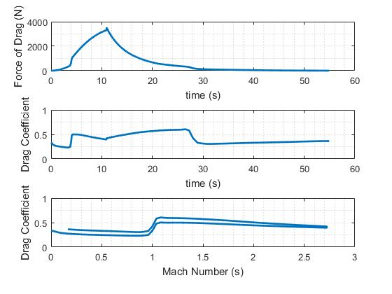
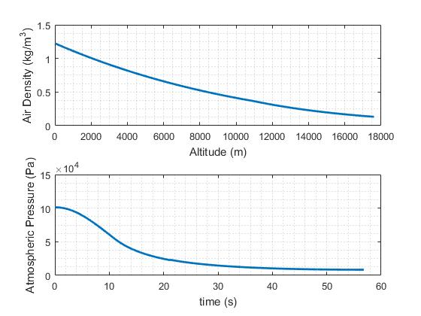
UTAT Rocketry - Preliminary Results for Deliverance

The following results are for a next generation design heavily based off Deliverance II. This preliminary design was pushed to it's limit, which is defined by the max fuel core diameter and pipe sized used. Note: 3/4" must be subtracted from the inner pipe diameter to account for the 3/8" thick liner between the inner pipe and outer fuel core. Note: the original design involed using a standard pipe as oxidizer tank, and one pipe size smaller for combustion chamber. THe modified design involves using the same sized pipe for both.

OF ratio: | 4.5 |  | Assumptions: 10° launch angle, 350 psi chamber pressure, 650 kg/m^2s Ox Flux, launch from sea level, and an extra inch in diameter for the modified version. Also Assuming 8" total allocated to a pre and post-combustor. Each can be changed to increase potential performance.
Combustion chamber pressure: | 350
Liner Thickness | 0.375

 |  |  |  |  |  | Result Plots for Deliverance if both the oxidizer tank and combustion chamber are made of NPS 6 pipes. Design Thrust is 7.5 kN and an extra inch was added to the outer diamete to account for a carbon fiber sleeve.

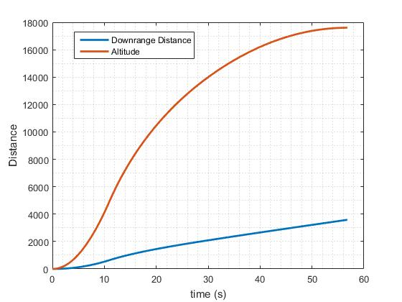
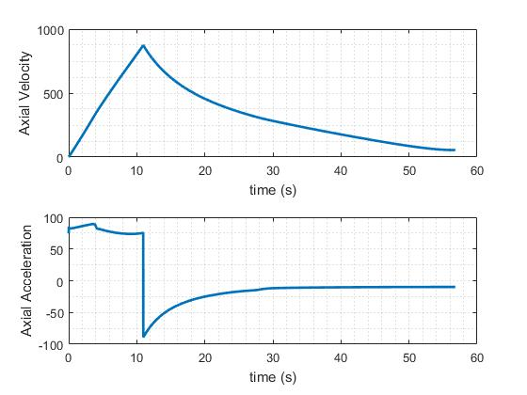
 | Defiance Preliminary Design
 | NPS 5 |  | NPS 6 |  | NPS 8
 | two pipes | one pipe | two pipes | one pipe | two pipes
Thrust [kN] | 3.5 | 5 | 5 | 7.5 | 7.5
Altitude (km) | 7.30 | 11.90 | 11.20 | 16.50 | 12.20
Burn Time (s) | 5.42 | 8.53 | 8.58 | 10.82 | 10.77
Burnout Altitude (km) | 1.30 | 3.00 | 2.90 | 4.50 | 4.00

TWR at launch | 10.20 | 9.25 | 9.20 | 8.90 | 8.34
Total Impulse (kNs) | 19.00 | 42.00 | 42.50 | 80.00 | 80.10

Rocket Length (m) | 2.96 | 4.16 | 3.44 | 4.77 | 3.68
Ox Tank Length (m) | 0.94 | 1.95 | 1.38 | 2.50 | 1.50
Combustiom Chamber Length (m) | 0.60 | 0.78 | 0.72 | 0.92 | 0.86
Initial Port Diameter (cm) | 5.57 | 2.60 | 6.61 | 8.05 | 8.06

Dry Mass [kg] | 28.00 | 36.00 | 37.00 | 48.00 | 54.00
Wet Mass [kg] | 38.56 | 59.37 | 60.37 | 91.86 | 97.86
Inert Mass Fraction | 0.73 | 0.61 | 0.61 | 0.52 | 0.55
Ox Mass [kg] | 8.64 | 19.12 | 19.12 | 35.88 | 35.90
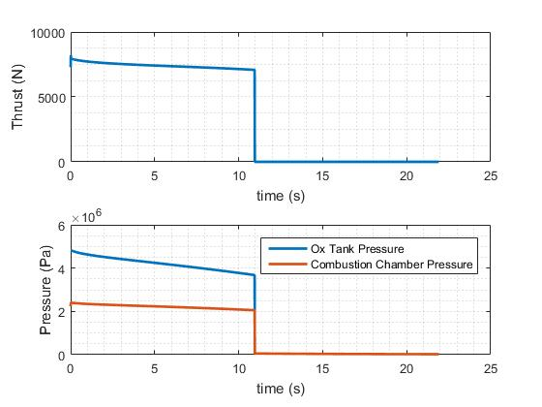
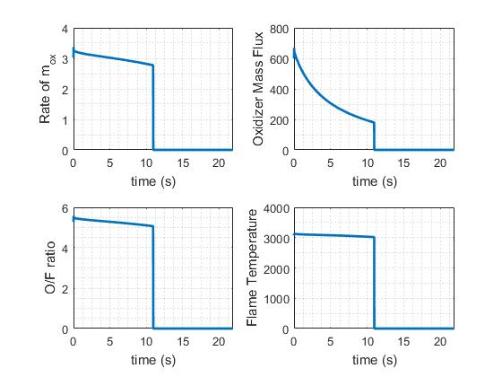
Fuel Mass [kg] | 1.92 | 4.25 | 4.25 | 7.97 | 7.98
Ox Mass Flow Rate [kg/s] | 1.59 | 2.23 | 2.23 | 3.31 | 3.32

max fuel OD | 3.51 | 5.45 | 5.45 | 5.61 | 5.61
Diameter | 0.141 | 0.166 | 0.168 | 0.193 | 0.219
L/D ratio | 21 | 25 | 20 | 25 | 17

Performance of scaled up versions of Deliverance made of NPS 5,6, and 8 pipes
 | Original Deliverance Design |  | Proposed New Inline Design
28.00 | 7.30 | 36.00 | 11.90
37.00 | 11.20 | 48.00 | 16.50
54.00 | 12.20

